Sheet1
 | e-Quality | Market claim | OQC defect
2022 | 0 | 5 | 12
2023 | 1 | 4 | 9
SCBU FY.2023 Quality Situation Analysis

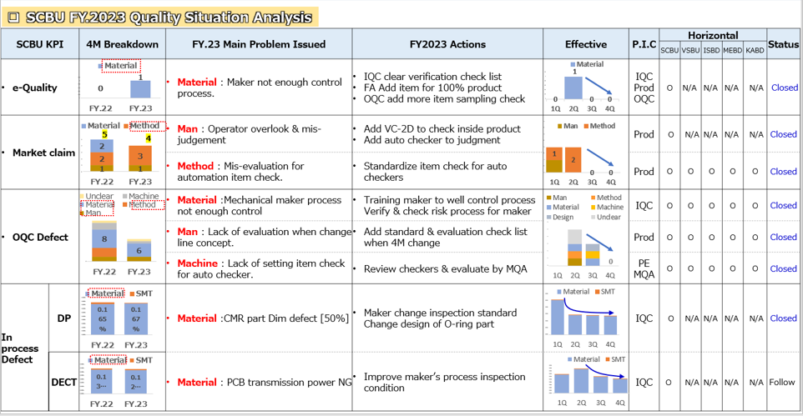

 |  |  | Material
e-Quanlity |  | FY.22 | 0
 |  | FY.23 | 1

